Frekuensi Pajang
 | F | M
43-64 | 14 | 8
65-86 | 51 | 23
87-108 | 38 | 15
109-130 | 19 | 6
131-152 | 6 | 2
153-174 | 3 | 2
175-196 | 1 | 0
197-218 | 0 | 0
219-240 | 3 | 0
KELAS INTERVAL | SKA | SKB | BKA | BKB | Frekuensi |  |  |  |  | Total
 |  |  |  |  | 2017 | 2018 | 2019 | 2020 | 2021
43-64 | 43 | 64 | 42.5 | 63.5 | 0 | 0 | 0 | 0 | 2 | 2
65-86 | 65 | 86 | 64.5 | 85.5 | 0 | 0 | 5 | 7 | 8 | 20
87-108 | 87 | 108 | 86.5 | 107.5 | 3 | 1 | 20 | 12 | 28 | 64
109-130 | 109 | 130 | 108.5 | 129.5 | 1 | 2 | 16 | 16 | 21 | 56
131-152 | 131 | 152 | 130.5 | 151.5 | 0 | 3 | 9 | 5 | 10 | 27
153-174 | 153 | 174 | 152.5 | 173.5 | 0 | 2 | 2 | 4 | 4 | 12
175-196 | 175 | 196 | 174.5 | 195.5 | 0 | 1 | 1 | 2 | 1 | 5
197-218 | 197 | 218 | 196.5 | 217.5 | 0 | 0 | 0 | 0 | 2 | 2
219-240 | 219 | 240 | 218.5 | 239.5 | 0 | 0 | 0 | 0 | 0 | 0

Selang Kelas
TOTAL DATA (N) | 191
MAX | 236
MIN | 43
JUMLAH KELAS | 8.5274101119 | 9
LEBAR KELAS | 21.444444444 | 22

All |  |  |  |  |  | R.australiae |  |  |  |  | R.Laevis |  |  |  |  | R.Springeri
Freq. Panjang | Kelas Interval | F | M | Total |  | Freq. Panjang | Kelas Interval | F | M | Total | Freq. Panjang | Kelas Interval | F | M | Total | Freq. Panjang | Kelas Interval | F | M | Total
1 | 43-64 | 14 | 8 | 22 |  | 1 | 43-67 | 10 | 7 | 17 | 1 | 56-79 | 7 | 3 | 10 | 1 | 43-57 | 0 | 1 | 1
2 | 65-86 | 51 | 23 | 74 |  | 2 | 68-92 | 50 | 21 | 71 | 2 | 80-103 | 21 | 2 | 23 | 2 | 58-72 | 0 | 0 | 0
3 | 87-108 | 38 | 15 | 53 |  | 3 | 93-117 | 16 | 12 | 28 | 3 | 104-127 | 10 | 1 | 11 | 3 | 73-87 | 2 | 0 | 2
4 | 109-130 | 19 | 6 | 25 |  | 4 | 118-142 | 6 | 4 | 10 | 4 | 128-151 | 5 | 2 | 7 |  |  |  |  | 3
5 | 131-152 | 6 | 2 | 8 |  | 5 | 143-167 | 2 | 2 | 4 | 5 | 152-175 | 1 | 0 | 1
6 | 153-174 | 3 | 2 | 5 |  | 6 | 168-192 | 1 | 1 | 2 | 6 | 176-199 | 1 | 0 | 1
7 | 175-196 | 1 | 0 | 1 |  | 7 | 193-217 | 0 | 0 | 0 | 7 | 200-223 | 2 | 0 | 2
8 | 197-218 | 0 | 0 | 0 |  | 8 | 218-242 | 1 | 0 | 1 |  |  |  |  | 55
9 | 219-240 | 3 | 0 | 3 |  |  |  |  |  | 133
 |  |  |  | 191

Data
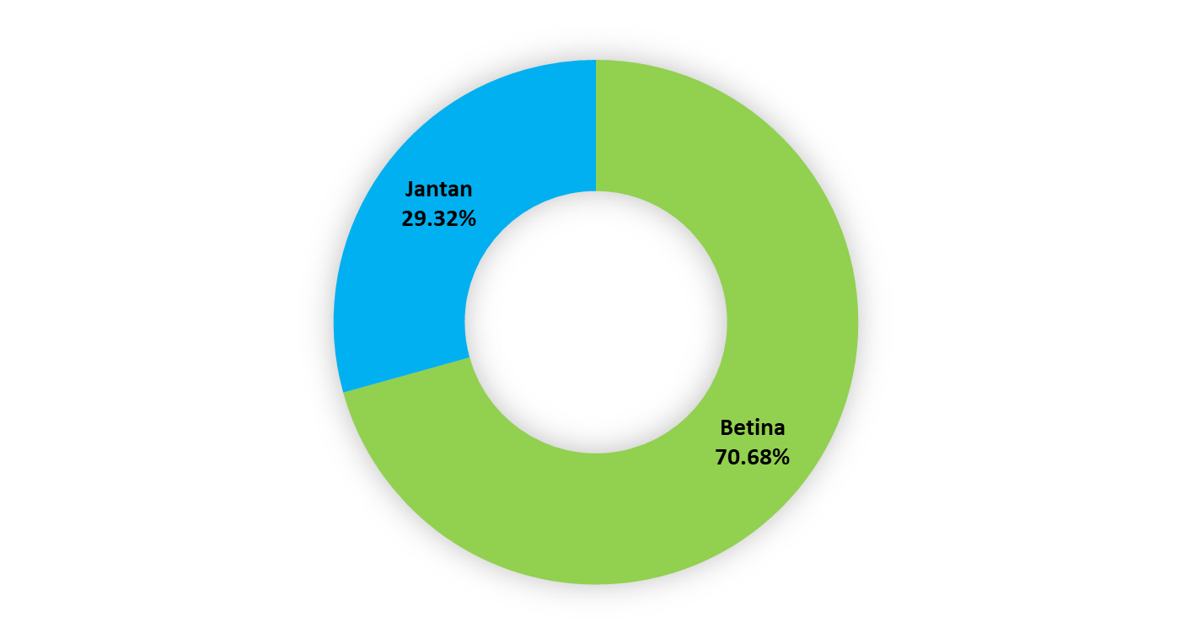
id_trip | lokasi | Tanggal | Bulan | tahun | Effort | alat_tangkap_utama | spesies | jenis_kelamin | TL
RG010720211 | Aceh Jaya | 1 | 7 | 2021 | 1 | Jaring Insang Tetap | R. australiae | F | 43
RG080720212 | Aceh Jaya | 8 | 7 | 2021 | 2 | Jaring Insang Tetap | R. springeri | M | 43
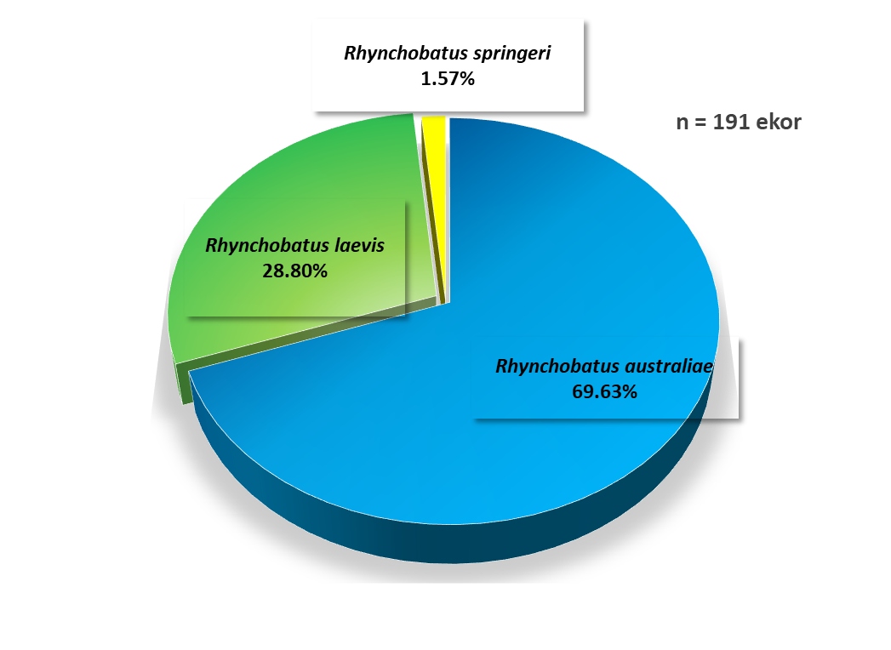
RG060420212 | Aceh Jaya | 6 | 4 | 2021 | 2 | Jaring Insang Tetap | R. australiae | F | 46
RG040520191 | Aceh Jaya | 4 | 5 | 2019 | 1 | Jaring Tancap | R. australiae | M | 47
RG050820212 | Aceh Jaya | 5 | 8 | 2021 | 2 | Jaring Insang Tetap | R. australiae | F | 47
RG070920212 | Aceh Jaya | 7 | 9 | 2021 | 2 | Jaring Insang Tetap | R. australiae | M | 52
RG070620201 | Aceh Jaya | 7 | 6 | 2020 | 1 | Jaring Tancap | R. australiae | F | 53
RG070620201 | Aceh Jaya | 7 | 6 | 2020 | 1 | Jaring Tancap | R. laevis | F | 56
RG151020191 | Aceh Jaya | 15 | 10 | 2019 | 1 | Jaring Insang | R. australiae | M | 57
RG170920201 | Aceh Jaya | 17 | 9 | 2020 | 1 | Jaring Tancap | R. australiae | F | 57
RG140120201 | Aceh Jaya | 14 | 1 | 2020 | 1 | Jaring Insang | R. laevis | F | 59
RG140120201 | Aceh Jaya | 14 | 1 | 2020 | 1 | Jaring Insang | R. laevis | F | 60
RG191020201 | Aceh Jaya | 19 | 10 | 2020 | 1 | Jaring Tancap | R. australiae | F | 60
RG070420211 | Aceh Jaya | 7 | 4 | 2021 | 1 | Jaring Insang Tetap | R. australiae | F | 60
RG290720212 | Aceh Jaya | 29 | 7 | 2021 | 2 | Jaring Insang Tetap | R. australiae | M | 60
RG290720212 | Aceh Jaya | 29 | 7 | 2021 | 2 | Jaring Insang Tetap | R. australiae | M | 60
RG040920191 | Aceh Jaya | 4 | 9 | 2019 | 1 | Jaring Insang | R. australiae | F | 61
RG090120201 | Aceh Jaya | 9 | 1 | 2020 | 1 | Jaring Insang | R. laevis | F | 61
RG050720213 | Aceh Jaya | 5 | 7 | 2021 | 1 | Jaring Insang Tetap | R. australiae | M | 61
RG151020191 | Aceh Jaya | 15 | 10 | 2019 | 1 | Jaring Insang | R. australiae | F | 62
RG010720211 | Aceh Jaya | 1 | 7 | 2021 | 1 | Jaring Insang Tetap | R. australiae | M | 62
RG010920192 | Aceh Jaya | 1 | 9 | 2019 | 2 | Jaring Insang | R. laevis | F | 64
RG011020191 | Aceh Jaya | 1 | 10 | 2019 | 1 | Jaring Insang | R. australiae | F | 67
RG011020191 | Aceh Jaya | 1 | 10 | 2019 | 1 | Jaring Insang | R. australiae | F | 68
RG050120212 | Aceh Jaya | 5 | 1 | 2021 | 2 | Jaring Tancap | R. australiae | F | 68
RG020220211 | Aceh Jaya | 2 | 2 | 2021 | 1 | Jaring Tancap | R. australiae | F | 68
RG170920171 | Aceh Jaya | 17 | 9 | 2017 | 1 | Jaring Hanyut | R. australiae | F | 69
RG110920193 | Aceh Jaya | 11 | 9 | 2019 | 3 | Jaring Insang | R. australiae | M | 69
RG170920191 | Aceh Jaya | 17 | 9 | 2019 | 1 | Jaring Insang | R. australiae | F | 69
RG140720212 | Aceh Jaya | 14 | 7 | 2021 | 2 | Jaring Insang Tetap | R. australiae | M | 69
RG110720191 | Aceh Jaya | 11 | 7 | 2019 | 1 | Jaring Tancap | R. australiae | F | 71
RG201220212 | Aceh Jaya | 20 | 12 | 2021 | 2 | Jaring Insang Tetap | R. australiae | F | 71
RG170920171 | Aceh Jaya | 17 | 9 | 2017 | 1 | Jaring Hanyut | R. australiae | F | 72
RG060720215 | Aceh Jaya | 6 | 7 | 2021 | 2 | Jaring Insang Tetap | R. laevis | M | 72
RG060920182 | Aceh Jaya | 6 | 9 | 2018 | 2 | Jaring Tancap | R. laevis | F | 73
RG060720204 | Aceh Jaya | 6 | 7 | 2020 | 1 | Jaring Tancap | R. australiae | F | 73
RG220720203 | Aceh Jaya | 22 | 7 | 2020 | 1 | Jaring Tancap | R. australiae | F | 74
RG220720203 | Aceh Jaya | 22 | 7 | 2020 | 1 | Jaring Tancap | R. australiae | M | 74
RG020720202 | Aceh Jaya | 2 | 7 | 2020 | 2 | Jaring Tancap | R. australiae | F | 75
RG180820201 | Aceh Jaya | 18 | 8 | 2020 | 1 | Jaring Tancap | R. australiae | F | 75
RG180820201 | Aceh Jaya | 18 | 8 | 2020 | 1 | Jaring Tancap | R. australiae | F | 75
RG180820201 | Aceh Jaya | 18 | 8 | 2020 | 1 | Jaring Tancap | R. australiae | F | 75
RG030320212 | Aceh Jaya | 3 | 3 | 2021 | 2 | Jaring Insang Tetap | R. australiae | F | 75
RG080420212 | Aceh Jaya | 8 | 4 | 2021 | 2 | Jaring Insang Tetap | R. australiae | F | 75
RG040820211 | Aceh Jaya | 4 | 8 | 2021 | 1 | Jaring Insang Tetap | R. australiae | F | 75
RG040820211 | Aceh Jaya | 4 | 8 | 2021 | 1 | Jaring Insang Tetap | R. australiae | F | 75
RG040820211 | Aceh Jaya | 4 | 8 | 2021 | 1 | Jaring Insang Tetap | R. australiae | F | 75
RG040820211 | Aceh Jaya | 4 | 8 | 2021 | 1 | Jaring Insang Tetap | R. australiae | M | 75
RG120520191 | Aceh Jaya | 12 | 5 | 2019 | 1 | Jaring Tancap | R. laevis | M | 76
RG190620191 | Aceh Jaya | 19 | 6 | 2019 | 1 | Jaring Tancap | R. australiae | M | 76
RG240420213 | Aceh Jaya | 24 | 4 | 2021 | 3 | Jaring Insang Tetap | R. australiae | F | 76
RG240420213 | Aceh Jaya | 24 | 4 | 2021 | 3 | Jaring Insang Tetap | R. australiae | M | 76
RG270420211 | Aceh Jaya | 27 | 4 | 2021 | 1 | Jaring Insang Tetap | R. australiae | F | 76
RG100520212 | Aceh Jaya | 10 | 5 | 2021 | 2 | Jaring Insang Tetap | R. australiae | M | 76
RG190620191 | Aceh Jaya | 19 | 6 | 2019 | 1 | Jaring Tancap | R. australiae | F | 77
RG190620191 | Aceh Jaya | 19 | 6 | 2019 | 1 | Jaring Tancap | R. australiae | M | 77
RG030320211 | Aceh Jaya | 3 | 3 | 2021 | 1 | Jaring Insang Tetap | R. australiae | F | 78
RG230320211 | Aceh Jaya | 23 | 3 | 2021 | 1 | Jaring Insang Tetap | R. australiae | M | 78
RG280420213 | Aceh Jaya | 28 | 4 | 2021 | 1 | Jaring Insang Tetap | R. laevis | M | 78
RG220720203 | Aceh Jaya | 22 | 7 | 2020 | 1 | Jaring Tancap | R. laevis | F | 79
RG290620213 | Aceh Jaya | 29 | 6 | 2021 | 1 | Jaring Insang Tetap | R. australiae | M | 79
RG121020202 | Aceh Jaya | 12 | 10 | 2020 | 2 | Jaring Tancap | R. laevis | F | 80
RG100320191 | Aceh Jaya | 10 | 3 | 2019 | 1 | Jaring Tancap | R. laevis | F | 81
RG020520191 | Aceh Jaya | 2 | 5 | 2019 | 1 | Jaring Tancap | R. australiae | F | 81
RG250520192 | Aceh Jaya | 25 | 5 | 2019 | 2 | Jaring Tancap | R. laevis | M | 81
RG250620191 | Aceh Jaya | 25 | 6 | 2019 | 1 | Jaring Tancap | R. laevis | F | 81
RG150720191 | Aceh Jaya | 15 | 7 | 2019 | 1 | Jaring Tancap | R. australiae | F | 81
RG310520202 | Aceh Jaya | 31 | 5 | 2020 | 2 | Jaring Tancap | R. laevis | F | 81
RG270620211 | Aceh Jaya | 27 | 6 | 2021 | 1 | Jaring Insang Tetap | R. australiae | M | 81
RG230120192 | Aceh Jaya | 23 | 1 | 2019 | 2 | Rawai Dasar | R. australiae | F | 82
RG030320211 | Aceh Jaya | 3 | 3 | 2021 | 1 | Jaring Insang Tetap | R. australiae | M | 82
RG260420212 | Aceh Jaya | 26 | 4 | 2021 | 2 | Jaring Insang Tetap | R. australiae | M | 82
RG100520211 | Aceh Jaya | 10 | 5 | 2021 | 1 | Jaring Insang Tetap | R. laevis | M | 82
RG010720211 | Aceh Jaya | 1 | 7 | 2021 | 1 | Jaring Insang Tetap | R. laevis | F | 82
RG260720171 | Aceh Jaya | 26 | 7 | 2017 | 1 | Jaring Insang | R. australiae | M | 83
RG030920191 | Aceh Jaya | 3 | 9 | 2019 | 1 | Jaring Insang | R. australiae | F | 83
RG300520203 | Aceh Jaya | 30 | 5 | 2020 | 3 | Jaring Tancap | R. laevis | F | 83
RG110820201 | Aceh Jaya | 11 | 8 | 2020 | 1 | Jaring Tancap | R. laevis | F | 83
RG020520211 | Aceh Jaya | 2 | 5 | 2021 | 1 | Jaring Insang Tetap | R. australiae | F | 83
RG201120211 | Aceh Jaya | 20 | 11 | 2021 | 1 | Jaring Insang Tetap | R. australiae | F | 83
RG150720191 | Aceh Jaya | 15 | 7 | 2019 | 1 | Jaring Tancap | R. australiae | F | 84
RG150720191 | Aceh Jaya | 15 | 7 | 2019 | 1 | Jaring Tancap | R. australiae | M | 84
RG120520191 | Aceh Jaya | 12 | 5 | 2019 | 1 | Jaring Tancap | R. laevis | F | 85
RG240620192 | Aceh Jaya | 24 | 6 | 2019 | 2 | Jaring Tancap | R. australiae | M | 85
RG030320211 | Aceh Jaya | 3 | 3 | 2021 | 1 | Jaring Insang Tetap | R. springeri | F | 85
RG060920211 | Aceh Jaya | 6 | 9 | 2021 | 1 | Jaring Insang Tetap | R. australiae | M | 85
RG240420192 | Aceh Jaya | 24 | 4 | 2019 | 2 | Jaring Tancap | R. laevis | F | 86
RG100720191 | Aceh Jaya | 10 | 7 | 2019 | 1 | Jaring Tancap | R. australiae | M | 86
RG310520201 | Aceh Jaya | 31 | 5 | 2020 | 1 | Jaring Tancap | R. australiae | F | 86
RG310520201 | Aceh Jaya | 31 | 5 | 2020 | 1 | Jaring Tancap | R. australiae | F | 86
RG070620202 | Aceh Jaya | 7 | 6 | 2020 | 2 | Jaring Tancap | R. australiae | F | 86
RG080620201 | Aceh Jaya | 8 | 6 | 2020 | 1 | Jaring Tancap | R. australiae | F | 86
RG090620201 | Aceh Jaya | 9 | 6 | 2020 | 1 | Jaring Tancap | R. australiae | F | 86
RG240420213 | Aceh Jaya | 24 | 4 | 2021 | 3 | Jaring Insang Tetap | R. australiae | F | 86
RG230520211 | Aceh Jaya | 23 | 5 | 2021 | 1 | Jaring Insang Tetap | R. australiae | F | 86
RG201220212 | Aceh Jaya | 20 | 12 | 2021 | 2 | Jaring Insang Tetap | R. australiae | F | 86
RG100720191 | Aceh Jaya | 10 | 7 | 2019 | 1 | Jaring Tancap | R. australiae | M | 87
RG070120211 | Aceh Jaya | 7 | 1 | 2021 | 1 | Jaring Insang | R. springeri | F | 87
RG040420211 | Aceh Jaya | 4 | 4 | 2021 | 1 | Jaring Insang Tetap | R. australiae | F | 87
RG060420213 | Aceh Jaya | 6 | 4 | 2021 | 2 | Jaring Insang Tetap | R. australiae | F | 88
RG100320191 | Aceh Jaya | 10 | 3 | 2019 | 1 | Jaring Tancap | R. laevis | F | 89
RG010920192 | Aceh Jaya | 1 | 9 | 2019 | 2 | Jaring Insang | R. australiae | F | 90
RG010920192 | Aceh Jaya | 1 | 9 | 2019 | 2 | Jaring Insang | R. australiae | F | 90
RG010920192 | Aceh Jaya | 1 | 9 | 2019 | 2 | Jaring Insang | R. australiae | F | 90
RG010920192 | Aceh Jaya | 1 | 9 | 2019 | 2 | Jaring Insang | R. australiae | F | 90
RG010920192 | Aceh Jaya | 1 | 9 | 2019 | 2 | Jaring Insang | R. australiae | F | 90
RG010920192 | Aceh Jaya | 1 | 9 | 2019 | 2 | Jaring Insang | R. australiae | F | 90
RG010920192 | Aceh Jaya | 1 | 9 | 2019 | 2 | Jaring Insang | R. australiae | F | 90
RG010920192 | Aceh Jaya | 1 | 9 | 2019 | 2 | Jaring Insang | R. australiae | M | 90
RG010920192 | Aceh Jaya | 1 | 9 | 2019 | 2 | Jaring Insang | R. australiae | M | 90
RG240420192 | Aceh Jaya | 24 | 4 | 2019 | 2 | Jaring Tancap | R. laevis | F | 91
RG220720201 | Aceh Jaya | 22 | 7 | 2020 | 1 | Jaring Tancap | R. australiae | F | 92
RG200820201 | Aceh Jaya | 20 | 8 | 2020 | 1 | Jaring Tancap | R. laevis | F | 92
RG200820201 | Aceh Jaya | 20 | 8 | 2020 | 1 | Jaring Tancap | R. australiae | F | 92
RG200820202 | Aceh Jaya | 20 | 8 | 2020 | 1 | Jaring Tancap | R. laevis | F | 92
RG200820202 | Aceh Jaya | 20 | 8 | 2020 | 1 | Jaring Tancap | R. australiae | F | 92
RG130820201 | Aceh Jaya | 13 | 8 | 2020 | 1 | Jaring Tancap | R. australiae | F | 93
RG050720212 | Aceh Jaya | 5 | 7 | 2021 | 1 | Jaring Insang Tetap | R. australiae | F | 93
RG050720212 | Aceh Jaya | 5 | 7 | 2021 | 1 | Jaring Insang Tetap | R. australiae | F | 93
RG090320211 | Aceh Jaya | 9 | 3 | 2021 | 1 | Jaring Insang Tetap | R. australiae | M | 95
RG300620213 | Aceh Jaya | 30 | 6 | 2021 | 3 | Jaring Insang Tetap | R. laevis | F | 95
RG230520211 | Aceh Jaya | 23 | 5 | 2021 | 1 | Jaring Insang Tetap | R. laevis | F | 96
RG010420212 | Aceh Jaya | 1 | 4 | 2021 | 2 | Jaring Insang Tetap | R. laevis | F | 97
RG240420213 | Aceh Jaya | 24 | 4 | 2021 | 3 | Jaring Insang Tetap | R. australiae | F | 97
RG240420213 | Aceh Jaya | 24 | 4 | 2021 | 3 | Jaring Insang Tetap | R. australiae | F | 97
RG240420213 | Aceh Jaya | 24 | 4 | 2021 | 3 | Jaring Insang Tetap | R. australiae | M | 97
RG160820181 | Aceh Jaya | 16 | 8 | 2018 | 1 | Jaring Tancap | R. australiae | M | 98
RG230720201 | Aceh Jaya | 23 | 7 | 2020 | 1 | Jaring Tancap | R. laevis | F | 98
RG230720201 | Aceh Jaya | 23 | 7 | 2020 | 1 | Jaring Tancap | R. laevis | F | 98
RG041120201 | Aceh Jaya | 4 | 11 | 2020 | 1 | Jaring Tancap | R. laevis | F | 98
RG100320212 | Aceh Jaya | 10 | 3 | 2021 | 2 | Jaring Insang Tetap | R. australiae | M | 98
RG170320212 | Aceh Jaya | 17 | 3 | 2021 | 2 | Jaring Insang Tetap | R. australiae | M | 98
RG170320212 | Aceh Jaya | 17 | 3 | 2021 | 2 | Jaring Insang Tetap | R. australiae | M | 98
RG010920192 | Aceh Jaya | 1 | 9 | 2019 | 2 | Jaring Insang | R. australiae | F | 100
RG240820172 | Aceh Jaya | 24 | 8 | 2017 | 2 | Jaring Tancap | R. australiae | M | 102
RG221020182 | Aceh Jaya | 22 | 10 | 2018 | 2 | Jaring Tancap | R. laevis | F | 102
RG141020191 | Aceh Jaya | 14 | 10 | 2019 | 1 | Jaring Insang | R. laevis | F | 102
RG020720203 | Aceh Jaya | 2 | 7 | 2020 | 1 | Jaring Tancap | R. australiae | M | 102
RG041120201 | Aceh Jaya | 4 | 11 | 2020 | 1 | Jaring Tancap | R. australiae | F | 102
RG030320212 | Aceh Jaya | 3 | 3 | 2021 | 2 | Jaring Insang Tetap | R. australiae | M | 105
RG181120211 | Aceh Jaya | 18 | 11 | 2021 | 1 | Jaring Insang Tetap | R. australiae | F | 105
RG080720211 | Aceh Jaya | 8 | 7 | 2021 | 1 | Jaring Insang Tetap | R. laevis | F | 106
RG240420191 | Aceh Jaya | 24 | 4 | 2019 | 1 | Jaring Tancap | R. australiae | M | 107
RG020520192 | Aceh Jaya | 2 | 5 | 2019 | 2 | Jaring Tancap | R. australiae | F | 107
RG260820191 | Aceh Jaya | 26 | 8 | 2019 | 1 | Jaring Tancap | R. australiae | M | 107
RG141020212 | Aceh Jaya | 14 | 10 | 2021 | 2 | Jaring Insang Tetap | R. australiae | F | 107
RG080720202 | Aceh Jaya | 8 | 7 | 2020 | 2 | Jaring Tancap | R. laevis | F | 108
RG020320211 | Aceh Jaya | 2 | 3 | 2021 | 1 | Jaring Insang Tetap | R. australiae | F | 108
RG030320211 | Aceh Jaya | 3 | 3 | 2021 | 1 | Jaring Insang Tetap | R. laevis | M | 108
RG120720211 | Aceh Jaya | 12 | 7 | 2021 | 1 | Jaring Insang Tetap | R. laevis | F | 109
RG111020181 | Aceh Jaya | 11 | 10 | 2018 | 1 | Jaring Tancap | R. australiae | F | 110
RG030520212 | Aceh Jaya | 3 | 5 | 2021 | 2 | Jaring Insang Tetap | R. laevis | F | 110
RG090920192 | Aceh Jaya | 9 | 9 | 2019 | 2 | Jaring Insang | R. australiae | M | 111
RG181020212 | Aceh Jaya | 18 | 10 | 2021 | 2 | Jaring Insang Tetap | R. laevis | F | 112
RG120820202 | Aceh Jaya | 12 | 8 | 2020 | 2 | Jaring Tancap | R. australiae | F | 113
RG211220191 | Aceh Jaya | 21 | 12 | 2019 | 1 | Jaring Insang | R. australiae | F | 114
RG100420191 | Aceh Jaya | 10 | 4 | 2019 | 2 | Jaring Tancap | R. australiae | F | 115
RG240420191 | Aceh Jaya | 24 | 4 | 2019 | 1 | Jaring Tancap | R. australiae | F | 116
RG290620213 | Aceh Jaya | 29 | 6 | 2021 | 1 | Jaring Insang Tetap | R. laevis | F | 116
RG020720203 | Aceh Jaya | 2 | 7 | 2020 | 1 | Jaring Tancap | R. australiae | M | 118
RG260420211 | Aceh Jaya | 26 | 4 | 2021 | 1 | Jaring Insang Tetap | R. australiae | M | 119
RG220720203 | Aceh Jaya | 22 | 7 | 2020 | 1 | Jaring Tancap | R. laevis | F | 120
RG280420213 | Aceh Jaya | 28 | 4 | 2021 | 1 | Jaring Insang Tetap | R. australiae | M | 121
RG130920182 | Aceh Jaya | 13 | 9 | 2018 | 4 | Rawai Dasar | R. laevis | F | 124
RG030920191 | Aceh Jaya | 3 | 9 | 2019 | 1 | Jaring Insang | R. australiae | M | 124
RG211120192 | Aceh Jaya | 21 | 11 | 2019 | 2 | Jaring Insang | R. laevis | F | 124
RG180820201 | Aceh Jaya | 18 | 8 | 2020 | 1 | Jaring Tancap | R. australiae | F | 125
RG160920182 | Aceh Jaya | 16 | 9 | 2018 | 2 | Jaring Tancap | R. australiae | F | 126
RG270420213 | Aceh Jaya | 27 | 4 | 2021 | 3 | Jaring Insang Tetap | R. laevis | F | 126
RG130920201 | Aceh Jaya | 13 | 9 | 2020 | 1 | Jaring Tancap | R. australiae | F | 128
RG101220201 | Aceh Jaya | 10 | 12 | 2020 | 1 | Jaring Insang | R. laevis | F | 128
RG230320211 | Aceh Jaya | 23 | 3 | 2021 | 1 | Jaring Insang Tetap | R. laevis | M | 128
RG010420212 | Aceh Jaya | 1 | 4 | 2021 | 2 | Jaring Insang Tetap | R. laevis | F | 128
RG140120211 | Aceh Jaya | 14 | 1 | 2021 | 1 | Jaring Tancap | R. laevis | F | 129
RG160920182 | Aceh Jaya | 16 | 9 | 2018 | 2 | Jaring Tancap | R. australiae | F | 131
RG240420192 | Aceh Jaya | 24 | 4 | 2019 | 2 | Jaring Tancap | R. laevis | M | 135
RG240420192 | Aceh Jaya | 24 | 4 | 2019 | 2 | Jaring Tancap | R. laevis | F | 136
RG220820202 | Aceh Jaya | 22 | 8 | 2020 | 2 | Jaring Tancap | R. australiae | F | 137
RG220920201 | Aceh Jaya | 22 | 9 | 2020 | 1 | Jaring Tancap | R. australiae | F | 138
RG050720211 | Aceh Jaya | 5 | 7 | 2021 | 1 | Jaring Insang Tetap | R. australiae | F | 143
RG100920185 | Aceh Jaya | 10 | 9 | 2018 | 5 | Rawai Dasar | R. laevis | F | 145
RG090820201 | Aceh Jaya | 9 | 8 | 2020 | 1 | Jaring Hanyut | R. australiae | M | 151
RG230720201 | Aceh Jaya | 23 | 7 | 2020 | 1 | Jaring Tancap | R. laevis | F | 157
RG060920181 | Aceh Jaya | 6 | 9 | 2018 | 1 | Jaring Tancap | R. australiae | M | 165
RG070320211 | Aceh Jaya | 7 | 3 | 2021 | 1 | Jaring Insang Tetap | R. australiae | F | 167
RG101020191 | Aceh Jaya | 10 | 10 | 2019 | 1 | Jaring Insang | R. australiae | F | 168
RG060720211 | Aceh Jaya | 6 | 7 | 2021 | 1 | Jaring Insang Tetap | R. australiae | M | 171
RG080720211 | Aceh Jaya | 8 | 7 | 2021 | 1 | Jaring Insang Tetap | R. laevis | F | 183
RG051120181 | Aceh Jaya | 5 | 11 | 2018 | 1 | Jaring Tancap | R. laevis | F | 221
RG191020212 | Aceh Jaya | 19 | 10 | 2021 | 2 | Jaring Insang Tetap | R. laevis | F | 221
RG100820171 | Aceh Jaya | 10 | 8 | 2017 | 1 | Rawai Dasar | R. australiae | F | 236

